IPI DRB Minutes
 |  |  | IBIDEN PHILIPPINES, INC. |  |  |  |  |  |  |  |  |  |  |  |  |  |  |  |  |  | DRB/MRB No. : |  | D-CORE-19-10-004
 |  |  | DRB/MRB REPORT MINUTES |  |  |  |  |  |  |  |  |  |  |  |  |  |  |  |  |  | RFC No. : |  | 07-1019-0007

Theme: |  |  |  | Machine Stoppage at BOX
Meeting Date : |  |  |  | 16-Oct-19 |  |  |  |  |  |  |  |  |  |  |  | Originated by :
Meeting Time: |  |  |  | Start: 1530h |  | End: 1620h |  |  |  |  |  |  |  |  |  |  |  |  |  |  | Name /Block
Meeting Place: |  |  |  | CORE meeting Area |  |  |  |  |  |  |  |  |  |  |  | Approved by :
Chairman: |  |  |  | Teody Barba |  |  |  |  |  |  |  |  |  |  |  |  |  |  |  | Originator ASM/SM/DGM/GM
Block: |  |  |  | CORE
Attendees : |  |  |  | Manufacturing |  |  | Engineering/NPD |  |  | Facilities/EE |  |  |  |  | QA/QC |  |  |  |  | PPIC/CSE |  |  |  | Other
 |  |  |  | Maam Virgie |  |  | Neil R. |  |  | Clark E. |  |  |  |  | Arnel M.
 |  |  |  | Teody B. |  |  | Ogawa San |  |  | Rey M.
 |  |  |  | Mizuno San

<1>PROBLEM STATEMENT : (Put another sheet if multiple lots was discovered affected)
DEFECT ISSUE: |  |  |  | Machine Stoppage at BOX |  | # | PRODUCT/MODEL AFFECTED |  |  | PRODUCT FAMILY |  |  | LEDGER NO. |  | PRODUCT SIZE |  | LOT NUMBER |  |  | AFFECTEDLAYER |  | AFFECTED PANEL |  | AFFECTED UNIT OR IF PERCENTAGE
DATE/TIME OCCURRED: |  |  |  | Oct-15-19 |  | 1 | IPI Coffeelake LGA 8+2 |  |  |  |  |  | 01438-00 |  |  |  | P7905410 |  |  |  |  | 1-32
PROCESS DETECTED: |  |  |  | BOX |  | 2 | Broxton-I |  |  |  |  |  | 775-0471 |  |  |  | P7904550 |  |  |  |  | 1-32
PROCESS AFFECTED: |  |  |  | BOX |  | 3 | Broxton-I |  |  |  |  |  | 775-0471 |  |  |  | P7904540 |  |  |  |  | 1-32
# OF AFFECTED LOTS : |  |  |  | 17 |  | 4 | Wellsburg S&R |  |  |  |  |  | 767-7502 |  |  |  | P7904100 |  |  |  |  | 1-32
WHO DETECTED: |  |  |  | BOX Operator Morris |  | 5 | Wellsburg S&R |  |  |  |  |  | 767-7502 |  |  |  | P7904080 |  |  |  |  | 1-32
 |  |  |  |  |  | 6 | Wellsburg S&R |  |  |  |  |  | 767-7502 |  |  |  | P7903640 |  |  |  |  | 1-32
 |  |  |  |  |  | 7 | Cougar Mountain |  |  |  |  |  | 774-8787 |  |  |  | P7904170 |  |  |  |  | 1-32
 |  |  |  |  |  | 8 | Cougar Mountain |  |  |  |  |  | 774-8787 |  |  |  | P7904470 |  |  |  |  | 1-32
 |  |  |  |  |  | 9 | Cougar Mountain |  |  |  |  |  | 774-8787 |  |  |  | P7905500 |  |  |  |  | 1-32
 |  |  |  |  |  | 10 | Cougar Mountain |  |  |  |  |  | 774-8787 |  |  |  | P7905490 |  |  |  |  | 1-32
 |  |  |  |  |  | 11 | IPI Kabylake LGA 4+2 |  |  |  |  |  | 775-7000 |  |  |  | P7905680 |  |  |  |  | 1-32
 |  |  |  |  |  | 12 | IPI Kabylake LGA 4+2 |  |  |  |  |  | 775-7000 |  |  |  | P7905550 |  |  |  |  | 1-32
 |  |  |  |  |  | 13 | IPI Kabylake LGA 4+2 |  |  |  |  |  | 775-7000 |  |  |  | P7905300 |  |  |  |  | 1-32
 |  |  |  |  |  | 14 | CS Kabylake PCH-H |  |  |  |  |  | 776-5797 |  |  |  | P7905570 |  |  |  |  | 1-32
 |  |  |  |  |  | 15 | Cougar Mountain |  |  |  |  |  | 774-8787 |  |  |  | P7905470 |  |  |  |  | 1-32
 |  |  |  |  |  | 16 | Cougar Mountain |  |  |  |  |  | 774-8787 |  |  |  | P7904190 |  |  |  |  | 1-32
 |  |  |  |  |  | 17 | IPI Coffeelake LGA 8+2 |  |  |  |  |  | 01438-00 |  |  |  | P7905760 |  |  |  |  | 1-32
 |  |  |  |  |  | 18
 |  |  |  |  |  | 19
WHAT IS THE PROBLEM DIFFERENCE FROM NORMAL TO ABNORMAL SITUATION? CHANGING POINT? DISCUSS THE FLOW. (Indicate 5W and 1H)
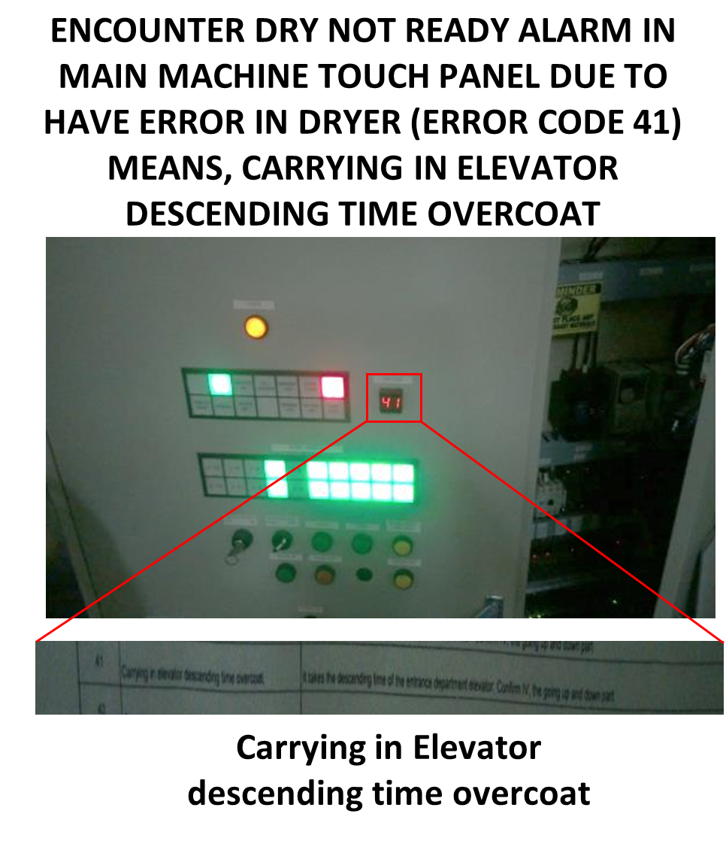
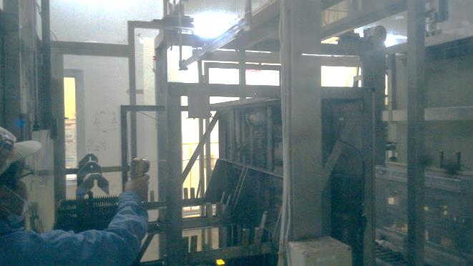
 |  |  |  |  |  |  |  |  |  |  |  |  |  |  |  |  |  |  |  |  | 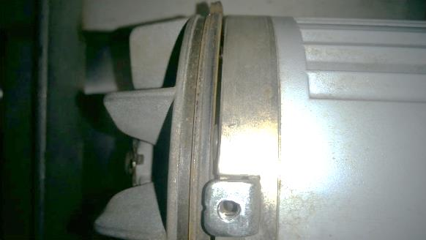

Unloader lifter did go down
THE AGENDA ITEM IS RECURRENCE? |  |  |  |  | RECURRENCE |  |  | NEW |  |  |  | Recurrence Definition |  |  |  | 1. Rootcause is clear happened in same MC and parts 2. Rootcause is not clear but same issue 3. The Action was not proliferated to other process and machine but it was discussed during the meeting
THE AGENDA ITEM IS ESCAPEE? |  |  |  |  | YES |  |  | NO
PROBLEM CATEGORY |  |  |  | MAN |  | MACHINE |  |  | METHOD |  |  | MATERIAL |  |  | MEASUREMENT |  |  |  | ENVIRONMENT |  |  |  | OTHERS
DRB CLOSING RANK |  |  |  | RANK 1 |  | RANK 2 |  |  | RANK 3 |  |  | RANK 4 |  |  | RANK 5 |  |  |  | OTHERS

<2> INVESTIGATION/IDENTIFICATION OF AFFECTED AREA, SITUATION (Define the phenomenon, mode and tendency occurrence,Etc.)

1. Encountered Dry Not Ready alarm arounf 1556h
2. 1st error appear on BOX Oven Monitor Was error#9 “inverter wrong point for motor”
3. Followed by Error#41 “Carrying in elevator descending time over coat” - Unloader lifter unable to reach stop position sensor within set time of 60sec during Down
4. Unloader lifter unable to go down on its down position. The break GAP measurement is only 1.6mm (Specs: 1.9 +/-0.1)
5. Prior adjustment activity BOX oven encountered same alarm of error#41 (last October 14)
6. During Morning FAC request allocation for Checking the Unloader lifter mechanism but they also conducted adjustment of break GAP from 1.6mm to 1.5mm

<3> CONTAINMENT ACTION (Note: Do not disable the interlock system when doing the action) |  |  |  |  |  |  |  |  |  |  |  |  |  |  |  |  | Responsible |  |  | Completion Date |  |  | Status
 |  |  |  |  |  |  |  |  |  |  |  |  |  |  |  |  | Name / Block
1. Manualy unload all affected lots inside mc. |  |  |  |  |  |  |  |  |  |  |  |  |  |  |  |  | MFG Teody |  |  | 2019-10-15 |  |  | DONE. Lots was Overipped more than 1hr at water baths
2. FAC Adjust the break GAP from 1.6mm to 1.9mm |  |  |  |  |  |  |  |  |  |  |  |  |  |  |  |  | FAC Mark/Suda San |  |  | 2019-10-15 |  |  | DONE. BEFORE: 1.6mm AFTER: 1.9mm

<4> DISPOSITION OF AFFECTED LOT AND RISK ASSESSMENT

Assessment Item (# of sample/Method) |  |  |  |  | Responsible Name / Block |  |  | Completion Date |  |  | Assessment Result (No Good/TTL QTY) |  |  |  |  |  | Judgment (OK/NG) |  |  | Final Disposition
1 pnl/lot DCA Measurement |  |  |  |  | QC Arnel |  |  | 2019-10-15 |  |  | Max of 8deg vs specs of <22deg |  |  |  |  |  | OK
100% inspection for FPG Defects at GRD |  |  |  |  | MFG Mark |  |  | 2019-10-16 |  |  | 7/10 already inspected Max of 52 units Nadaraka Dent (not related) |  |  |  |  |  | OK |  |  |  | Proceed |  | Qty : ______________________________
 |  |  |  |  |  |  |  |  |  |  |  |  |  |  |  |  |  |  |  |  | Piece Out |  | Qty : _______ Pnl #: ________________
 |  |  |  |  |  |  |  |  |  |  |  |  |  |  |  |  |  |  |  |  | Sheet Out |  | Qty : ______________________________
 |  |  |  |  |  |  |  |  |  |  |  |  |  |  |  |  |  |  |  |  | Lot Out |  | Qty : ______________________________
 |  |  |  |  |  |  |  |  |  |  |  |  |  |  |  |  |  |  |  |  | SDR
Risk Assessment Category |  |  |  |  |  |  |  |  |  |  |  | Remarks
 |  |  | Low |  | Medium |  |  |  | High |  |  | ________________________

<5>ACTION REQUIRED (Note: Do not disable the interlock system when doing the action)

Action Request |  |  |  |  |  |  |  |  |  |  | Responsible Name / Block |  |  |  |  |  | Completion Date |  |  | Detail Results
1. Replacement of Unloader Lifting motor |  |  |  |  |  |  |  |  |  |  | FAC June |  |  |  |  |  | Nov-19
2. Include on PIS checking ULD lifting Motor Brake GAP measurement 1/6M |  |  |  |  |  |  |  |  |  |  | FAC June |  |  |  |  |  | 2019-10-30
3. Check the condition unloader lifter whole assembly (bushing, ball screw, lubrication, etc) |  |  |  |  |  |  |  |  |  |  | FAC June |  |  |  |  |  | 2019-10-15 |  |  | DONE. No findings
4. Confirm if have Rule for adjustment activity without reference if none, Generate |  |  |  |  |  |  |  |  |  |  | FAC Maam Melai |  |  |  |  |  | 2019-10-30

<6> ROOTCAUSE GENERATION/ANALYSIS <WHY ANALYSIS by 5M1E, DESIGN AND CAPABILITY>

 | 1. FACTOR GAP ANALYSIS
 | Problem/Issue |  |  | Gap Type |  | 1st why |  |  |  | 2nd why |  |  |  |  |  | 3rd why |  |  |  |  |  | 4th why |  |  | 5th why
 | BOX Dry Not Ready alarm |  |  | Technical |  | Error#41: Unloader lifter unable to reach the down stop position sensor |  |  |  | lifting motor Brake GAP is too tight |  |  |  |  |  | Brake GAP was adjusted without reference |  |  |  |  |  | No Define standard for lifting motor brake GAP Setting |  |  | Not Included ON PIS

 |  |  |  | Systemic
 |  |  |  | Detection
 | 2. FINAL ROOT CAUSE and MECHANISM OF AFFECTED ISSUE
 |  | No Define standard for lifting motor brake GAP Setting

<7> CORRECTIVE ACTION |  |  |  |  |  |  |  |  |  |  |  |  |  | Responsible |  |  |  | Completion Date |  |  | Status |  |  | Need CN & DR?
 |  |  |  |  |  |  |  |  |  |  |  |  |  | Name / Block |  |  |  |  |  |  |  |  |  | Yes | No
1. Define brake GAP standard of ULD motor |  |  |  |  |  |  |  |  |  |  |  |  |  | FAC June |  |  |  | 2019-10-20

<8> PREVENTIVE ACTION |  |  |  |  |  |  |  |  |  |  |  |  |  | Responsible |  |  |  | Completion Date |  |  | Status |  |  | Need CN & DR?
 |  |  |  |  |  |  |  |  |  |  |  |  |  | Name / Block |  |  |  |  |  |  |  |  |  | Yes | No
1. INClude on PIS the brake GAP checking 1/6months |  |  |  |  |  |  |  |  |  |  |  |  |  | FAC June |  |  |  | 2019-10-30

<9> PROLIFERATION |  |  |  |  |  |  |  |  |  |  |  |  |  |  |  |  | Responsible |  |  | Completion |  |  | Status
 |  |  |  |  |  |  |  |  |  |  |  |  |  |  |  |  | Name / Sign |  |  | Date
Product |  |  | Block | Process/line |  | Machine |  | Proliferate Item
 |  |  |  |  |  |  |  | 1
 |  |  |  |  |  |  |  | 2
<10>AMOUNT OF LOSS . The total sum_________________
Product |  |  |  |  |  | Unit Qty |  |  |  |  |  |  |  | Amount of Loss |  |  |  |  |  |  | Remarks

<11> CLOSING APPROVAL (The approver person in charge should put details of the validation and closing confirmation result)
The Validation activity |  |  |  |  |  |  |  |  |  |  |  |  |  |  |  |  |  | Closing Approver |  |  |  |  | Closing Date
 |  |  |  |  |  |  |  |  |  |  |  |  |  |  |  |  |  | ASM Gloria Reyes

 |  |  |  |  |  |  |  |  |  |  |  |  |  |  |  |  |  |  |  |  |  |  |  |  |  | QA-SCAR-MRB-02-00-01 Rev. 11

